Enterprise
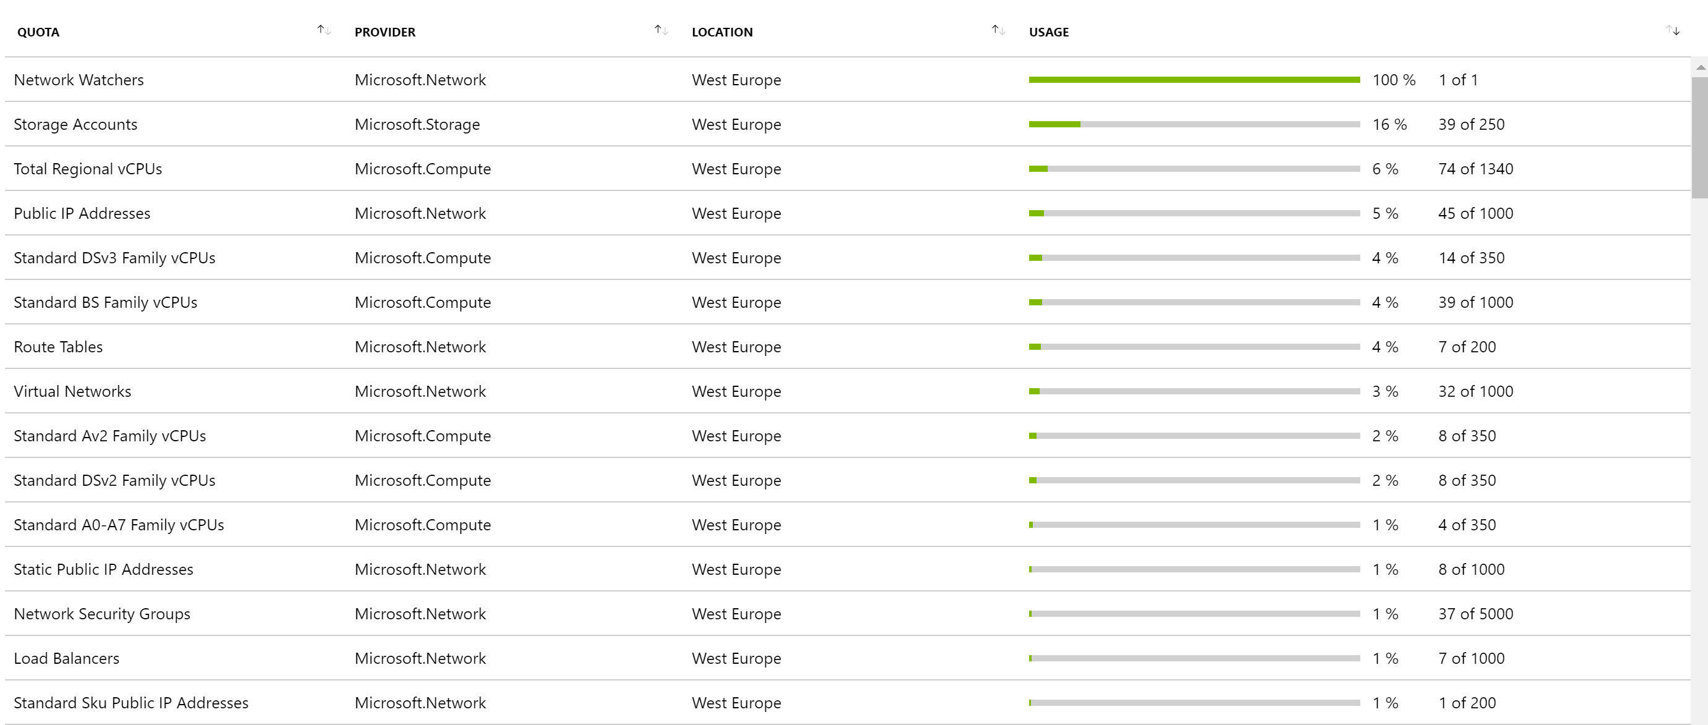
Network Watchers | Microsoft.Network | West Europe | 0 of 1
Storage Accounts | Microsoft.Storage | West Europe | 0 of 250
Total Regional vCPUs | Microsoft.Compute | West Europe | 0 of 1340
Public IP Addresses | Microsoft.Network | West Europe | 0 of 1000
Standard DSv3 Family vCPUs | Microsoft.Compute | West Europe | 0 of 350
Standard BS Family vCPUs | Microsoft.Compute | West Europe | 0 of 1000
Route Tables | Microsoft.Network | West Europe | 0 of 200
Virtual Networks | Microsoft.Network | West Europe | 0 of 1000
Standard Av2 Family vCPUs | Microsoft.Compute | West Europe | 0 of 350
Standard DSv2 Family vCPUs | Microsoft.Compute | West Europe | 0 of 350
Standard A0-A7 Family vCPUs | Microsoft.Compute | West Europe | 0 of 350
Static Public IP Addresses | Microsoft.Network | West Europe | 0 of 1000
Network Security Groups | Microsoft.Network | West Europe | 0 of 5000
Load Balancers | Microsoft.Network | West Europe | 0 of 1000
Standard Sku Public IP Addresses | Microsoft.Network | West Europe | 0 of 200
Availability Sets | Microsoft.Compute | West Europe | 0 of 2000
Standard FS Family vCPUs | Microsoft.Compute | West Europe | 0 of 350
Virtual Machines | Microsoft.Compute | West Europe | 0 of 25000
Application Gateways | Microsoft.Network | West Europe | 0 of 1000
Standard Storage Managed Disks | Microsoft.Compute | West Europe | 0 of 50000
Network Interfaces | Microsoft.Network | West Europe | 0 of 65536
Premium Storage Managed Disks | Microsoft.Compute | West Europe | 0 of 50000
Virtual Machine Scale Sets | Microsoft.Compute | West Europe | 0 of 2000
Application Security Groups. | Microsoft.Network | West Europe | 0 of 3000
StandardSSDStorageDisks | Microsoft.Compute | West Europe | 0 of 50000
ZrsStorageSnapshots | Microsoft.Compute | West Europe | 0 of 50000
Basic A Family vCPUs | Microsoft.Compute | West Europe | 0 of 350
DDoS customized policies | Microsoft.Network | West Europe | 0 of 200
DDoS Protection Plans. | Microsoft.Network | West Europe | 0 of 1
DNS servers per Virtual Network | Microsoft.Network | West Europe | 0 of 20
Frontend IP Configurations per Load Balancer | Microsoft.Network | West Europe | 0 of 200
Inbound Rules per Load Balancer | Microsoft.Network | West Europe | 0 of 250
Inbound rules per Network Interface | Microsoft.Network | West Europe | 0 of 500
IP Configurations per Virtual Network | Microsoft.Network | West Europe | 0 of 65536
Min Public Ip InterNetwork Prefix Length | Microsoft.Network | West Europe | 0 of 28
Network Intent Policies | Microsoft.Network | West Europe | 0 of 200
Outbound Rules per Load Balancer | Microsoft.Network | West Europe | 0 of 5
Packet Captures | Microsoft.Network | West Europe | 0 of 100
Peerings per Virtual Network | Microsoft.Network | West Europe | 0 of 500
PremiumStorageSnapshots | Microsoft.Compute | West Europe | 0 of 50000
Private Endpoints | Microsoft.Network | West Europe | 0 of 65536
Public Ip Prefixes | Microsoft.Network | West Europe | 0 of 2147483647
Route filter rules per Route Filter | Microsoft.Network | West Europe | 0 of 1
Route Filters | Microsoft.Network | West Europe | 0 of 1000
Route filters per Express route BGP Peering | Microsoft.Network | West Europe | 0 of 1
Routes per Network Intent Policy | Microsoft.Network | West Europe | 0 of 200
Routes per Route Table | Microsoft.Network | West Europe | 0 of 400
Secondary IP Configurations per Network Interface | Microsoft.Network | West Europe | 0 of 256
Security rules addresses or ports per Network Security Group | Microsoft.Network | West Europe | 0 of 4000
Security rules per Network Intent Policy | Microsoft.Network | West Europe | 0 of 100
Security rules per Network Security Group | Microsoft.Network | West Europe | 0 of 1000
Service Endpoint Policies | Microsoft.Network | West Europe | 0 of 500
Standard A8-A11 Family vCPUs | Microsoft.Compute | West Europe | 0 of 350
Standard D Family vCPUs | Microsoft.Compute | West Europe | 0 of 350
Standard DCS Family vCPUs | Microsoft.Compute | West Europe | 0 of 8
Standard DS Family vCPUs | Microsoft.Compute | West Europe | 0 of 350
Standard DSv2 Promo Family vCPUs | Microsoft.Compute | West Europe | 0 of 350
Standard Dv2 Family vCPUs | Microsoft.Compute | West Europe | 0 of 350
Standard Dv2 Promo Family vCPUs | Microsoft.Compute | West Europe | 0 of 350
Standard Dv3 Family vCPUs | Microsoft.Compute | West Europe | 0 of 350
Standard EISv3 Family vCPUs | Microsoft.Compute | West Europe | 0 of 350
Standard EIv3 Family vCPUs | Microsoft.Compute | West Europe | 0 of 350
Standard ESv3 Family vCPUs | Microsoft.Compute | West Europe | 0 of 350
Standard Ev3 Family vCPUs | Microsoft.Compute | West Europe | 0 of 350
Standard F Family vCPUs | Microsoft.Compute | West Europe | 0 of 350
Standard FSv2 Family vCPUs | Microsoft.Compute | West Europe | 0 of 350
Standard G Family vCPUs | Microsoft.Compute | West Europe | 0 of 350
Standard GS Family vCPUs | Microsoft.Compute | West Europe | 0 of 350
Standard H Family vCPUs | Microsoft.Compute | West Europe | 0 of 32
Standard H Promo Family vCPUs | Microsoft.Compute | West Europe | 0 of 32
Standard HBS Family vCPUs | Microsoft.Compute | West Europe | 0 of 240
Standard HCS Family vCPUs | Microsoft.Compute | West Europe | 0 of 176
Standard LS Family vCPUs | Microsoft.Compute | West Europe | 0 of 350
Standard LSv2 Family vCPUs | Microsoft.Compute | West Europe | 0 of 350
Standard MS Family vCPUs | Microsoft.Compute | West Europe | 0 of 0
Standard MSv2 Family vCPUs | Microsoft.Compute | West Europe | 0 of 0
Standard NC Family vCPUs | Microsoft.Compute | West Europe | 0 of 200
Standard NC Promo Family vCPUs | Microsoft.Compute | West Europe | 0 of 200
Standard NCSv2 Family vCPUs | Microsoft.Compute | West Europe | 0 of 100
Standard NCSv3 Family vCPUs | Microsoft.Compute | West Europe | 0 of 100
Standard NDS Family vCPUs | Microsoft.Compute | West Europe | 0 of 100
Standard NV Family vCPUs | Microsoft.Compute | West Europe | 0 of 200
Standard NV Family vCPUs | Microsoft.Compute | West Europe | 0 of 200
Standard NV Promo Family vCPUs | Microsoft.Compute | West Europe | 0 of 200
Standard NVSv2 Family vCPUs | Microsoft.Compute | West Europe | 0 of 0
Standard NVSv3 Family vCPUs | Microsoft.Compute | West Europe | 0 of 0
Standard PBS Family vCPUs | Microsoft.Compute | West Europe | 0 of 24
Standard Sku Load Balancers | Microsoft.Network | West Europe | 0 of 1000
StandardStorageSnapshots | Microsoft.Compute | West Europe | 0 of 50000
Subnets per Virtual Network | Microsoft.Network | West Europe | 0 of 3000
UltraSSDStorageDisks | Microsoft.Compute | West Europe | 0 of 20
UltraSSDTotalSizeInGB | Microsoft.Compute | West Europe | 0 of 2048000

Enterprise Dev & Test
Network Watchers | Microsoft.Network | West Europe | 0 of 1
Standard DSv3 Family vCPUs | Microsoft.Compute | West Europe | 0 of 10
Total Regional vCPUs | Microsoft.Compute | West Europe | 0 of 10
Storage Accounts | Microsoft.Storage | West Europe | 0 of 250
Public IP Addresses | Microsoft.Network | West Europe | 0 of 1000
Virtual Networks | Microsoft.Network | West Europe | 0 of 1000
Network Security Groups | Microsoft.Network | West Europe | 0 of 5000
Virtual Machines | Microsoft.Compute | West Europe | 0 of 25000
Premium Storage Managed Disks | Microsoft.Compute | West Europe | 0 of 50000
Network Interfaces | Microsoft.Network | West Europe | 0 of 65536
Application Gateways | Microsoft.Network | West Europe | 0 of 1000
Application Security Groups. | Microsoft.Network | West Europe | 0 of 3000
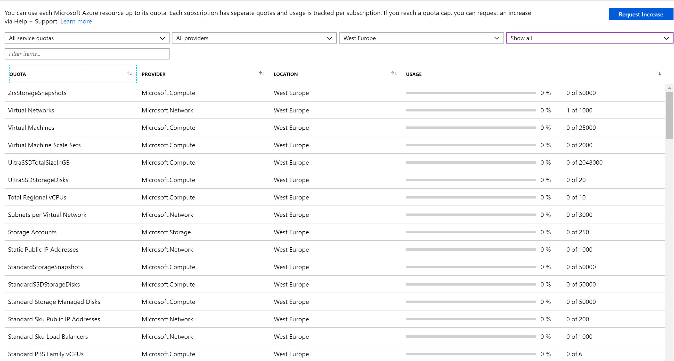
Availability Sets | Microsoft.Compute | West Europe | 0 of 2000
Basic A Family vCPUs | Microsoft.Compute | West Europe | 0 of 10
DDoS customized policies | Microsoft.Network | West Europe | 0 of 200
DDoS Protection Plans. | Microsoft.Network | West Europe | 0 of 1
DNS servers per Virtual Network | Microsoft.Network | West Europe | 0 of 20
Frontend IP Configurations per Load Balancer | Microsoft.Network | West Europe | 0 of 200
Inbound Rules per Load Balancer | Microsoft.Network | West Europe | 0 of 250
Inbound rules per Network Interface | Microsoft.Network | West Europe | 0 of 500
IP Configurations per Virtual Network | Microsoft.Network | West Europe | 0 of 65536
Load Balancers | Microsoft.Network | West Europe | 0 of 1000
Min Public Ip InterNetwork Prefix Length | Microsoft.Network | West Europe | 0 of 28
Network Intent Policies | Microsoft.Network | West Europe | 0 of 200
Outbound Rules per Load Balancer | Microsoft.Network | West Europe | 0 of 5
Packet Captures | Microsoft.Network | West Europe | 0 of 100
Peerings per Virtual Network | Microsoft.Network | West Europe | 0 of 500
PremiumStorageSnapshots | Microsoft.Compute | West Europe | 0 of 50000
Private Endpoints | Microsoft.Network | West Europe | 0 of 65536
Public Ip Prefixes | Microsoft.Network | West Europe | 0 of 2147483647
Route filter rules per Route Filter | Microsoft.Network | West Europe | 0 of 1
Route Filters | Microsoft.Network | West Europe | 0 of 1000
Routes per Network Intent Policy | Microsoft.Network | West Europe | 0 of 200
Routes per Route Table | Microsoft.Network | West Europe | 0 of 400
Secondary IP Configurations per Network Interface | Microsoft.Network | West Europe | 0 of 256
Security rules addresses or ports per Network Security Group | Microsoft.Network | West Europe | 0 of 4000
Security rules per Network Intent Policy | Microsoft.Network | West Europe | 0 of 100
Security rules per Network Security Group | Microsoft.Network | West Europe | 0 of 1000
Service Endpoint Policies | Microsoft.Network | West Europe | 0 of 500
Standard A0-A7 Family vCPUs | Microsoft.Compute | West Europe | 0 of 10
Standard A8-A11 Family vCPUs | Microsoft.Compute | West Europe | 0 of 10
Standard Av2 Family vCPUs | Microsoft.Compute | West Europe | 0 of 10
Standard BS Family vCPUs | Microsoft.Compute | West Europe | 0 of 10
Standard D Family vCPUs | Microsoft.Compute | West Europe | 0 of 10
Standard DCS Family vCPUs | Microsoft.Compute | West Europe | 0 of 4
Standard DS Family vCPUs | Microsoft.Compute | West Europe | 0 of 10
Standard DSv2 Family vCPUs | Microsoft.Compute | West Europe | 0 of 10
Standard DSv2 Promo Family vCPUs | Microsoft.Compute | West Europe | 0 of 10
Standard Dv2 Family vCPUs | Microsoft.Compute | West Europe | 0 of 10
Standard Dv2 Promo Family vCPUs | Microsoft.Compute | West Europe | 0 of 10
Standard Dv3 Family vCPUs | Microsoft.Compute | West Europe | 0 of 10
Standard EISv3 Family vCPUs | Microsoft.Compute | West Europe | 0 of 10
Standard EIv3 Family vCPUs | Microsoft.Compute | West Europe | 0 of 10
Standard ESv3 Family vCPUs | Microsoft.Compute | West Europe | 0 of 10
Standard Ev3 Family vCPUs | Microsoft.Compute | West Europe | 0 of 10
Standard F Family vCPUs | Microsoft.Compute | West Europe | 0 of 10
Standard FS Family vCPUs | Microsoft.Compute | West Europe | 0 of 10
Standard FSv2 Family vCPUs | Microsoft.Compute | West Europe | 0 of 10
Standard G Family vCPUs | Microsoft.Compute | West Europe | 0 of 10
Standard GS Family vCPUs | Microsoft.Compute | West Europe | 0 of 10
Standard H Family vCPUs | Microsoft.Compute | West Europe | 0 of 8
Standard H Promo Family vCPUs | Microsoft.Compute | West Europe | 0 of 8
Standard HBS Family vCPUs | Microsoft.Compute | West Europe | 0 of 0
Standard HCS Family vCPUs | Microsoft.Compute | West Europe | 0 of 0
Standard LS Family vCPUs | Microsoft.Compute | West Europe | 0 of 10
Standard LSv2 Family vCPUs | Microsoft.Compute | West Europe | 0 of 10
Standard MS Family vCPUs | Microsoft.Compute | West Europe | 0 of 0
Standard MSv2 Family vCPUs | Microsoft.Compute | West Europe | 0 of 0
Standard NC Family vCPUs | Microsoft.Compute | West Europe | 0 of 6
Standard NC Promo Family vCPUs | Microsoft.Compute | West Europe | 0 of 6
Standard NCSv2 Family vCPUs | Microsoft.Compute | West Europe | 0 of 0
Standard NCSv3 Family vCPUs | Microsoft.Compute | West Europe | 0 of 0
Standard NDS Family vCPUs | Microsoft.Compute | West Europe | 0 of 0
Standard NV Family vCPUs | Microsoft.Compute | West Europe | 0 of 6
Standard NV Promo Family vCPUs | Microsoft.Compute | West Europe | 0 of 6
Standard NVSv2 Family vCPUs | Microsoft.Compute | West Europe | 0 of 0
Standard NVSv2 Family vCPUs | Microsoft.Compute | West Europe | 0 of 0
Standard NVSv3 Family vCPUs | Microsoft.Compute | West Europe | 0 of 0
Standard PBS Family vCPUs | Microsoft.Compute | West Europe | 0 of 6
Standard Sku Load Balancers | Microsoft.Network | West Europe | 0 of 1000
Standard Sku Public IP Addresses | Microsoft.Network | West Europe | 0 of 200
Standard Storage Managed Disks | Microsoft.Compute | West Europe | 0 of 50000
StandardSSDStorageDisks | Microsoft.Compute | West Europe | 0 of 50000
StandardStorageSnapshots | Microsoft.Compute | West Europe | 0 of 50000
Static Public IP Addresses | Microsoft.Network | West Europe | 0 of 1000
Subnets per Virtual Network | Microsoft.Network | West Europe | 0 of 3000
UltraSSDStorageDisks | Microsoft.Compute | West Europe | 0 of 20
UltraSSDTotalSizeInGB | Microsoft.Compute | West Europe | 0 of 2048000
Virtual Machine Scale Sets | Microsoft.Compute | West Europe | 0 of 2000
ZrsStorageSnapshots | Microsoft.Compute | West Europe | 0 of 50000

